Sheet1
Refer to Previous Row in a Subgroup in Power Query

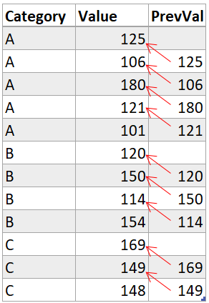
Data |  | Sample Output
Category | Value |  | Category | Value | PrevVal
A | 125 |  | A | 125
A | 106 |  | A | 106 | 125
A | 180 |  | A | 180 | 106
A | 121 |  | A | 121 | 180
A | 101 |  | A | 101 | 121
B | 120 |  | B | 120
B | 150 |  | B | 150 | 120
B | 114 |  | B | 114 | 150
B | 154 |  | B | 154 | 114
C | 169 |  | C | 169
C | 149 |  | C | 149 | 169
C | 148 |  | C | 148 | 149

